Statistics & Graph
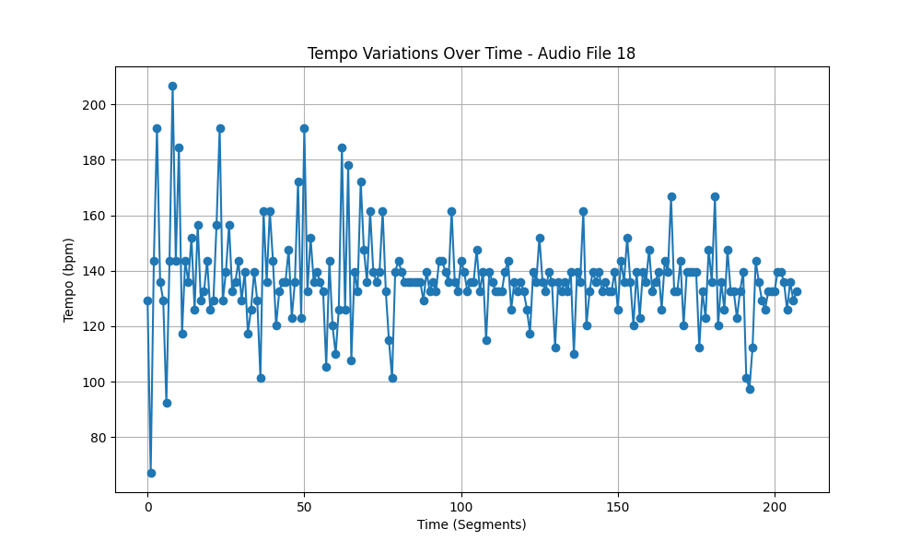
Metric | Value
Mean | 136.50251539
Standard Deviation | 16.475536036
Coefficient of Variation (CV) | 12.069767351

